Example (Step 1)
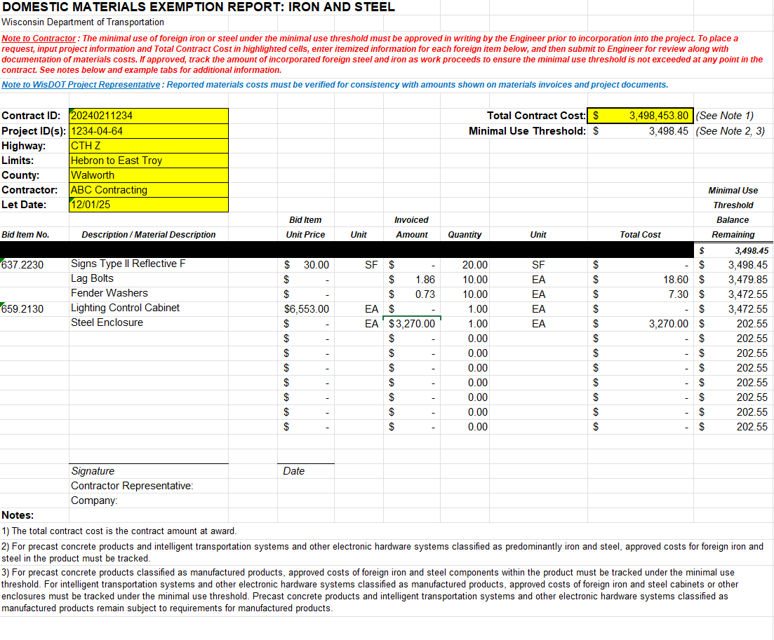

Example (Step 2)
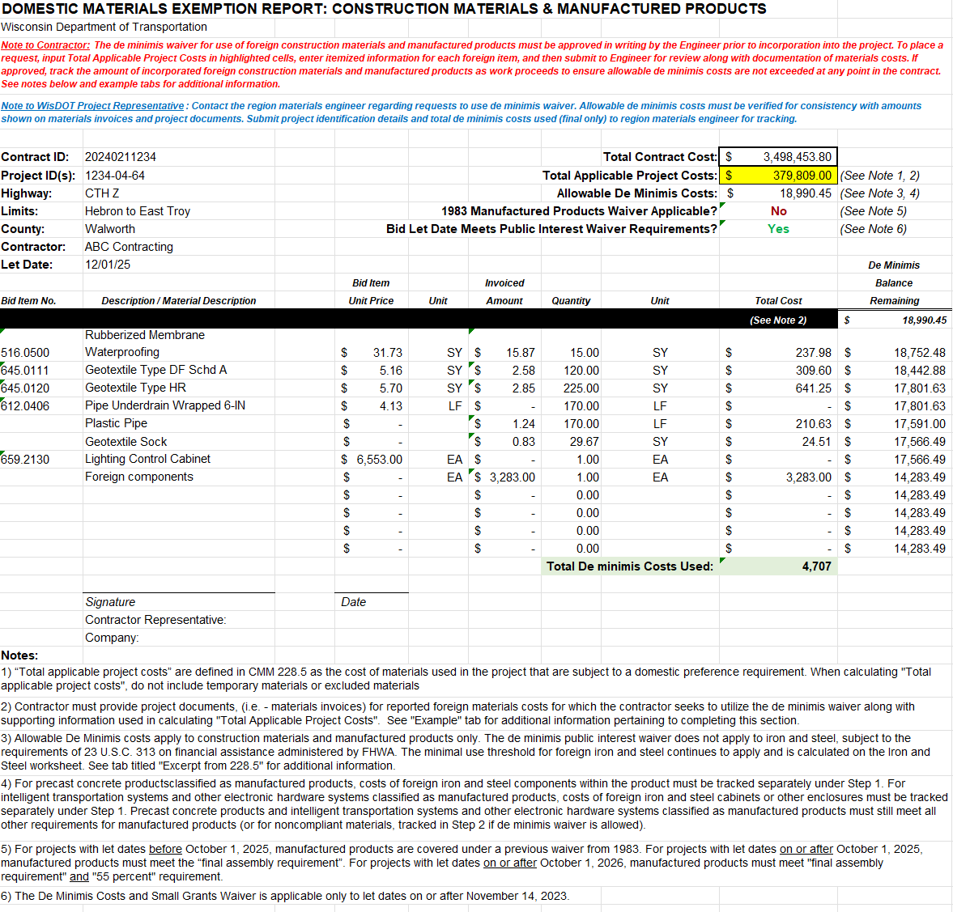

Excerpt from 228.5 (2)
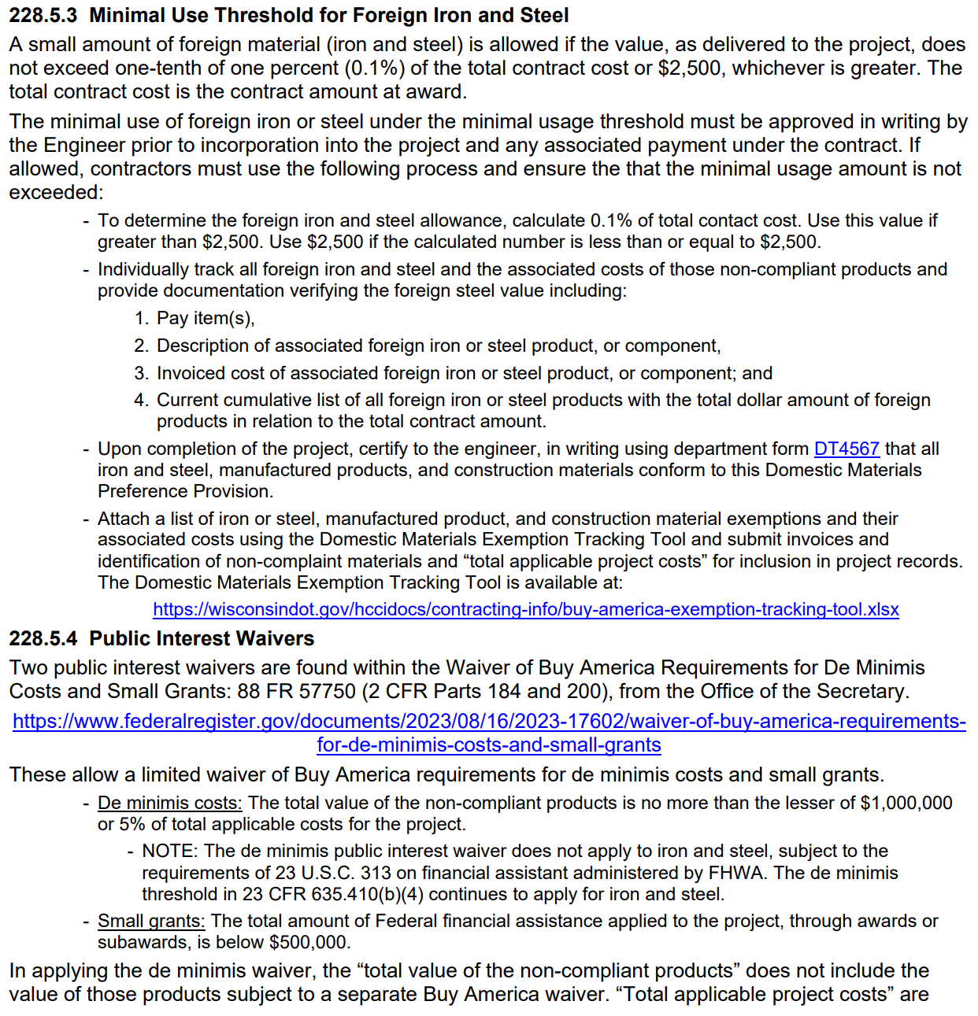

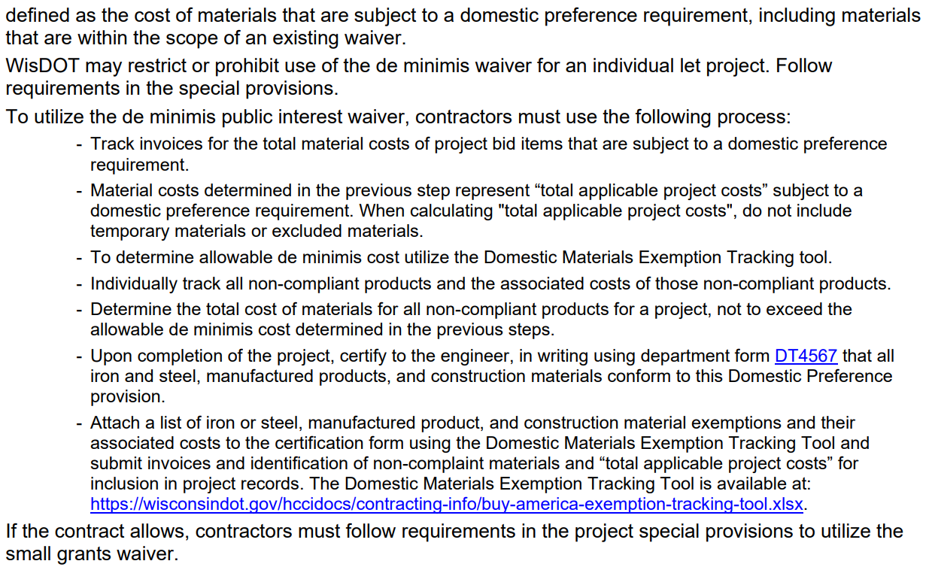

Add Rows
Follow the instructions below if additional rows are needed for Step 1 or Step 2 tabs.

1) Right click on the desired Step 1 or Step 2 tab.
2) Select "Move or Copy", then Check "Create a Copy". It is recommended placing the new tab after the original Step 1 or 2 tab, as applicable, and renaming tabs to include page numbers as shown below.
3) Create a "Carryover" line on the new tab to input carryover dollars from the previous tab as shown below:
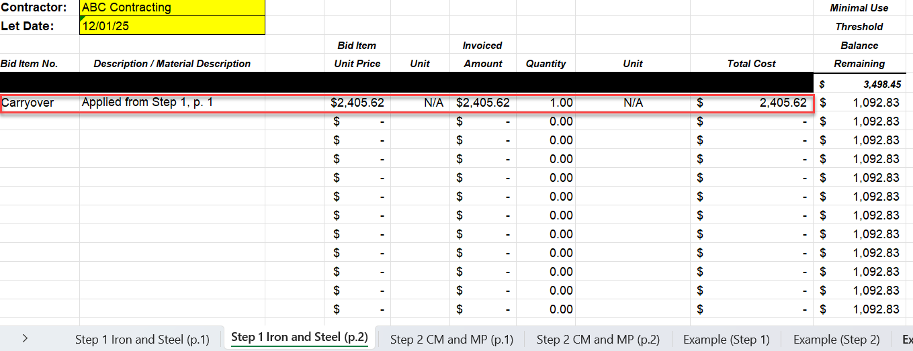

4) See examples below for calculating carryover amounts applicable to Steps 1 and 2. Ensure correct carryover amount, based on last balance remaining from previous tab, is input into the new tab.

Example 1: Calculating carryover for Step 1 Iron and Steel | Example 2: Calculating Carryover for Step 2 CM & MP
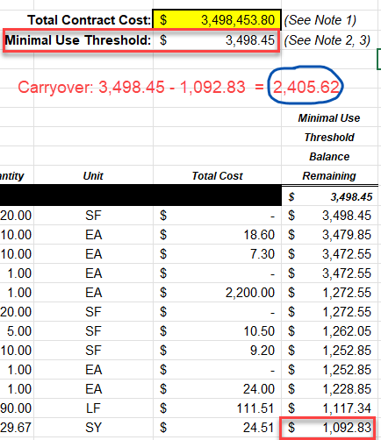
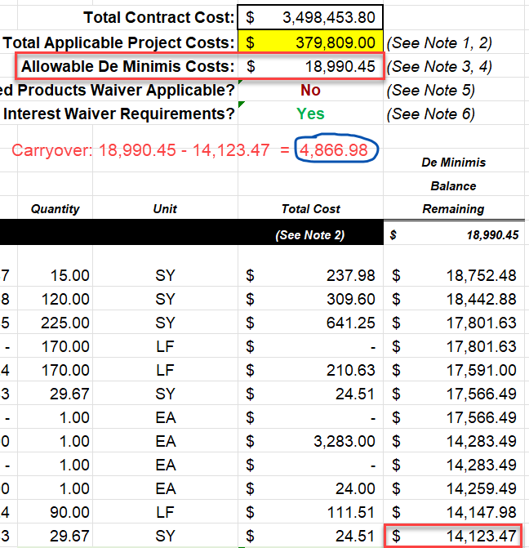

5) Repeat steps above to create additional tabs as necessary.

