Sheet1
Recycled Asphaltic Binder Change Request

Company: |  |  |  |  | Mix Type:
Date: |  |  |  |  | 250 MD #:
Job Name (if applicable): |  |  |  |  | Mix ID:
Job Number (if applicable):

RAM Material(s) (RAP, RAS, FRAP):
Description as on original mix design

Results of Extracted AC% (per SS 460.2.6) |  | RAP |  | RAS |  | FRAP |  | Millings
 | Test #1 |  | % |  | % |  | % |  | %
 | Test #2 |  | % |  | % |  | % |  | %

Date of Test(s):

If available provide additional documentation as an attachment (i.e. Control Charts), for RAM product(s) and Mix

Pbr using Original MD Results |  | RAP |  | RAS |  | FRAP |  | Millings
Original MD RAM Blend: |  |  | % |  | % |  | % |  | %
Original MD RAM AC%: |  |  | % |  | % |  | % |  | %
Total AC% (4.0% Av) |  |  | %

Original Pbr: |  | #DIV/0! | %

Pbr using current RAM extractions |  | RAP |  | RAS |  | FRAP |  | Millings
Current MD RAM Blend: |  |  | % |  | % |  | % |  | %
Current RAM AC%: |  |  | % |  | % |  | % |  | %
Total AC% (4.0% Av) |  |  | %

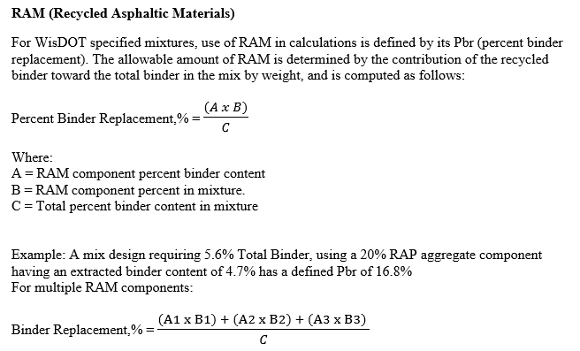
Current Pbr: |  | #DIV/0! | % | Passes Y/N
 |  |  |  | SS 460.2.5(2)

Send completed form electronically to Region HMA Specialist.

 | Contractor Representative |  |  |  |  | Department Representative
Requested By: |  |  |  | Approved By:
HTCP #: |  |  |  | HTCP #:
Date: |  |  |  | Date:

Comments:

